Project 675
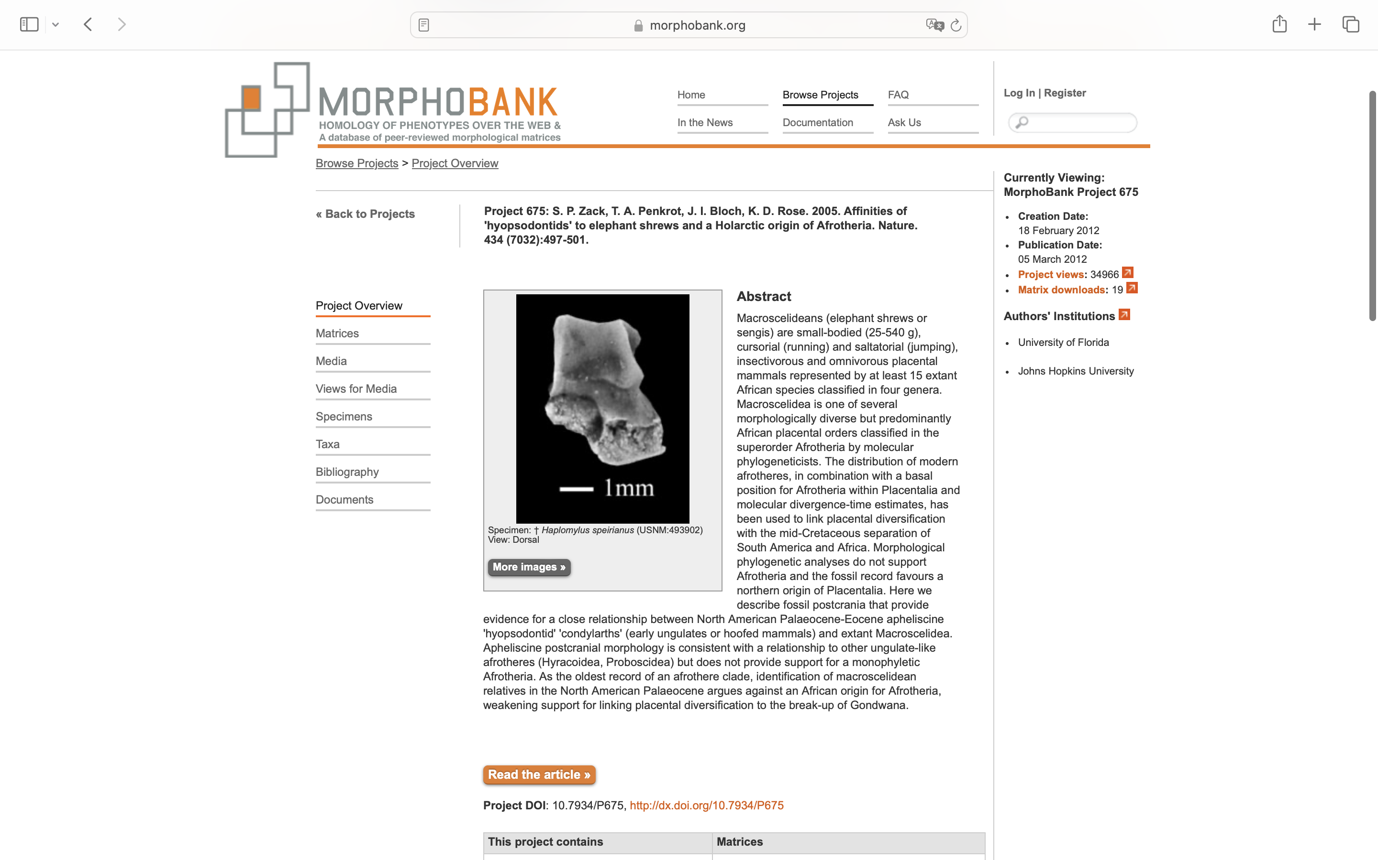
Charlabels | Character Pattern | Unseen States
[1] 'Lower molar cusp relief' | Transformational | YES
[2] 'Relative heights of molar trigonids and talonids' | Transformational | YES
[3] 'p4 paraconid and metaconid' | NN;0=00;1=11;2=10
[4] 'p4 protoconid shape' | Transformational | YES
[5] 'p4 talonid complexity' | Transformational | NO
[6] 'Relative widths of m1-2 trigonids and talonids' | Transformational | YES
[7] 'Orientation of m1-3 trigonid cusps in buccal view' | Transformational | YES
[8] 'm1-3 paraconid height' | Transformational | YES
[9] 'm1-3 paraconid position' | Transformational | YES
[10] 'Molar paracristid shape' | Transformational | YES
[11] 'm1-3 metaconid inflation' | Transformational | NO
[12] 'm2 cristid obliqua orientation' | Transformational | YES
[13] 'Position of m1-3 hypoconid' | Transformational | YES
[14] 'Position of m1-3 entoconids' | Transformational | YES
[15] 'm1-2 entocristid' | Transformational | YES
[16] 'm3 relative size' | Transformational | NO
[17] 'm3 talonid width' | Transformational | YES
[18] 'P4 metacone' | Neomorphic | NO
[19] 'P4 protocone size' | Transformational | YES
[20] 'P4 postprotocrista orientation' | Transformational | YES
[21] 'M1-2 stylar shelf' | NN;0=11;1=0?
[22] 'Orientation of M1-2 preparacrista (position of parastyle)' | Transformational | YES
[23] 'M1-2 mesostyle' | Neomorphic | NO
[24] 'M1-2 postprotocrista' | Neomorphic | NO
[25] 'M1-2 postprotocingulum (Nannopithex fold)' | Neomorphic | NO
[26] 'M1-2 hypocone size' | NT?;0=0-;1=11;2=12
[27] 'M1-2 hypoloph' | Neomorphic | NO
[28] 'Calcaneal tuber relative length' | Transformational | YES
[29] 'Calcaneal fibular facet' | NT?;0=0-;1=11;2=12
[30] 'Orientation of long axis of ectal facet' | Transformational | YES
[31] 'Ectal facet curvature' | Transformational | YES
[32] 'Overlap between calcaneal ectal and sustentacular facets' | Transformational | YES
[33] 'Distal extension of sustentacular facet' | Neomorphic | NO
[34] 'Position of plantar tubercle' | Transformational | YES
[35] 'Peroneal tubercle position and size' | Transformational | YES
[36] 'Curvature of cuboid facet' | Transformational | NO
[37] 'Orientation of ML axis of cuboid facet relative to long axis of calcaneum' | Transformational | YES
[38] 'Proportions of cuboid facet' | Transformational | NO
[39] 'Medial trochlear ridge' | Neomorphic | NO
[40] 'Depth of trochlear groove' | Transformational | YES
[41] 'Radius of curvature of lateral trochlear ridge' | Transformational | YES
[42] 'Astragalar foramen' | Neomorphic | NO
[43] 'Posterior extension of trochlear articular surface' | NT?;0=0-;1=11;2=12
[44] 'Cotylar fossa' | NT?;0=0-;1=11;2=12
[45] 'Posteromedial projection of astragalar body' | Neomorphic | NO
[46] 'Proximomedial plantar tuberosity' | Neomorphic | NO
[47] 'Ectal facet width' | Transformational | YES
[48] 'Astragalar sustentacular facet shape and curvature' | Transformational | YES
[49] 'Orientation of long axis of navicular facet' | Transformational | NO
[50] 'Facet for medial tarsal/spring ligament' | Transformational | YES
[51] 'Astragalar cuboid facet' | NT?;0=11;1=0-;2=12
[52] 'Navicular facet convexity' | Transformational | YES

